General Information
Purpose:
The Drug Sector in the Saudi Food & Drug Authority (SFDA) has developed this checklist to provide assistance for stakeholders on how to submit the application for veterinary drug products. The list highlights requirements and most common deficiencies that may cause SFDA proceeding the application to assessment or, otherwise, request to repair (inquiry) the application. A repairing decision indicates that SFDA determined that an application is not complete to permit a substantive review
This list not meant to be a comprehensive list of requirements that may or will lead to acceptance or repairing determination by SFDA. However, it is important to note that the SFDA might request any information or material that does not specifically described in this checklist, in order to sufficiently assess the Safety, Efficacy and Quality of the drug products. The SFDA is ensured that such requests are justifiable.
SFDA evaluates each submitted application individually to determine whether the application is complete to start the review process. Sufficiently complete means that the application contains all the information required by SFDA to permit a substantive review.
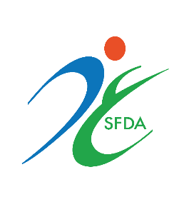

Scope:
Marketing Authorization Application (MAA) of Veterinary Drug Products.

Related Document:
The submission should comply with the Data Requirement for Veterinary Medicinal Products.

